charts
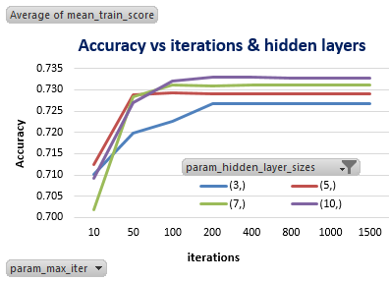
 | Train |  |  |  |  |  | test
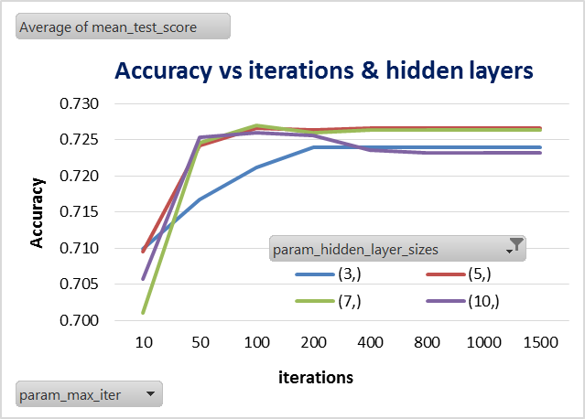
Accuracy as a function of number of iterations and hidden layers.
Hidden layer with 3 neurons grossly underfits the data.
Hidden layer with 10 neurons performs best for train but not so for Test , indicating overfitting.
Hidden layer with 5 neurons is a happy medium for both train and test accuracy

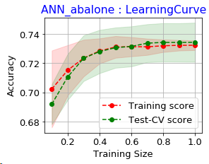
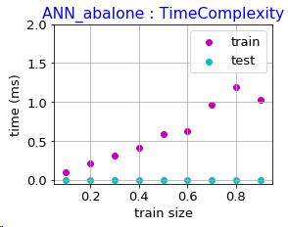
{'alpha': 1, 'activation': 'logistic', 'solver': 'lbfgs', 'hidden_layer_sizes': (5L, 5L)}
run_ann : Train accuracy: 0.732
run_ann : Test accuracy: 0.733

[ 0.75149701 0.74700599 0.75149701 0.74401198 0.74491018 0.74401198
0.74165954 0.74026946 0.7411843 0.73929961]

[ 0.72009569 0.74521531 0.75239234 0.76196172 0.76435407 0.76196172
0.76196172 0.76196172 0.76435407 0.76196172]

Clf_name Train_Acc Test_Acc F1 score Recall Precision
ANN_abalonebank 0.73178 0.73285 0.67922 0.73285 0.66328

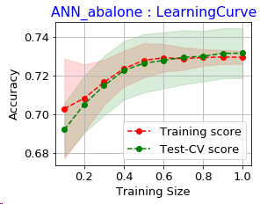
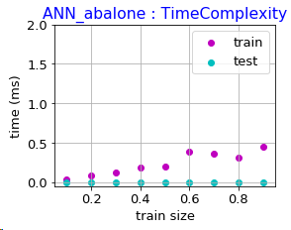
{'alpha': 1, 'activation': 'logistic', 'solver': 'lbfgs', 'hidden_layer_sizes': (5,)}
ANN_abalone
Train accuracy: 0.7280
Test accuracy: 0.7337

[ 0.75149701 0.74550898 0.74051896 0.74625749 0.74610778 0.74301397
0.73994867 0.7369012 0.73586161 0.73660581]

[ 0.72129187 0.73564593 0.75119617 0.75956938 0.76076555 0.75837321
0.75956938 0.75598086 0.75598086 0.75598086]

Clf_name Train_Acc Test_Acc F1 score Recall Precision
ANN_abalonebank 0.72802 0.73365 0.67891 0.73365 0.66925

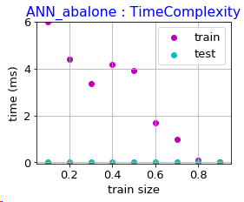
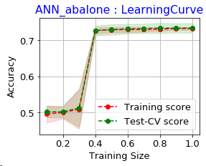
{'alpha': 1, 'activation': 'logistic', 'solver': 'lbfgs', 'hidden_layer_sizes': (20, 20, 20)}
ANN_abalone
Train accuracy: 0.7369
Test accuracy: 0.7360
run_ann : Train accuracy: 0.737
run_ann : Test accuracy: 0.736

[ | 0.54491018 | 0.53892216 | 0.74750499 | 0.74326347 | 0.74610778 | 0.74301397
 | 0.74165954 | 0.74139222 | 0.74184963 | 0.74079617]

[ | 0.54066986 | 0.54066986 | 0.74880383 | 0.75358852 | 0.76435407 | 0.75358852
 | 0.75598086 | 0.76435407 | 0.76315789 | 0.76435407]

Sheet4
solver | lbfgs
activation | logistic
hidden layer sizes | (5L, 5L)

Row Labels | test | train
0.0001 | 0.72083475881 | 0.74178964437
0.001 | 0.71262401642 | 0.74478307162
0.01 | 0.72083475881 | 0.74367111928
Impact of Alpha
0.1 | 0.72425590147 | 0.73947946569
1 | 0.72972972973 | 0.73049933075
2 | 0.72254533014 | 0.72844665957
Grand Total | 4.3308244954 | 4.4286692913

Sheet3
sz | 10% | 20% | 30% | 40% | 50% | 60% | 70% | 80% | 90% | 100%
M1 | 0.72129187 | 0.73564593 | 0.75119617 | 0.75956938 | 0.76076555 | 0.75837321 | 0.75956938 | 0.75598086 | 0.75598086 | 0.75598086
M2 | 0.72009569 | 0.74521531 | 0.75239234 | 0.76196172 | 0.76435407 | 0.76196172 | 0.76196172 | 0.76196172 | 0.76435407 | 0.76196172

sz | M1 | M2
10% | 0.72129187 | 0.72009569
20% | 0.73564593 | 0.74521531 |  | Row Labels | Sum of M2 | Sum of M1
30% | 0.75119617 | 0.75239234 |  | 10% | 0.72009569 | 0.72129187
40% | 0.75956938 | 0.76196172 |  | 20% | 0.74521531 | 0.73564593
50% | 0.76076555 | 0.76435407 |  | 30% | 0.75239234 | 0.75119617
60% | 0.75837321 | 0.76196172 |  | 40% | 0.76196172 | 0.75956938
70% | 0.75956938 | 0.76196172 |  | 50% | 0.76435407 | 0.76076555
80% | 0.75598086 | 0.76196172 |  | 60% | 0.76196172 | 0.75837321
90% | 0.75598086 | 0.76435407 |  | 70% | 0.76196172 | 0.75956938
100% | 0.75598086 | 0.76196172 |  | 80% | 0.76196172 | 0.75598086
 | 75.60% | 76.20% |  | 90% | 0.76435407 | 0.75598086
 |  |  |  | 100% | 0.76196172 | 0.75598086
 |  |  |  | Grand Total | 7.55622008 | 7.51435407

Clf_name | Train_Acc | Test_Acc | F1-score | Recall | Precision
Model-1 | 0.72802 | 0.73365 | 0.67891 | 0.73365 | 0.66925
Model-2 | 0.73178 | 0.73285 | 0.67922 | 0.73285 | 0.66328

 | 0.00376 | -0.0008 | 0.00031 | -0.0008 | -0.00597

